能源消耗
 |  | Energy Use per Ton Sequestered (BTU/metric ton CO2e)
electricity sector | nature gas | 228804.84907 | 0.05 | 246048.59407
 | coal | 244713.28663 | 0.94
 | waste | 432204.65333 | 0.002
 | biomass | 464181.60859 | 0.008
industry-fuel | refined petroleum and coke
 | chemicals
 | cement and other nonmetallic minerals
 | iron and steel | 484524.164
industry-process | chemicals
 | cement and other nonmetallic minerals | 924978.25301
 | iron and steel
 | energy pipelines and gas processing

 |  | 778160.22334

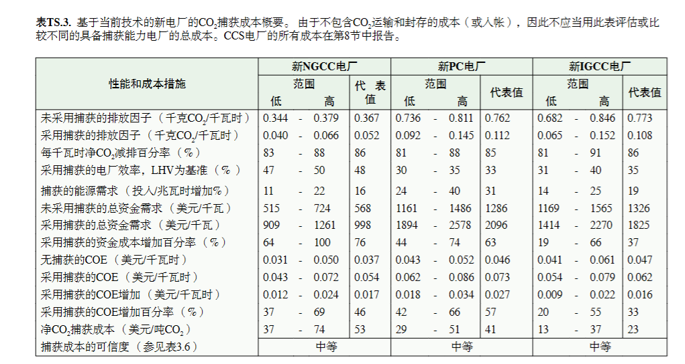
 | coal |  |  | https://www.ipcc.ch/site/assets/uploads/2018/03/srccs_spm_ts_cn-1.pdf
 | 自用率 | 6.01%
 | 排放因子 | 838 | g/kwh
 | 发电量 | 4429000000 | kwh
 | 总排放 | 3711502 | t
 | 电力需求 | 266182900 | kwh
 | 需要能量 | 71.718377088 | kwh/t
 | 1kwh | 3412.142 | BTU
 |  | 244713.28663

 | nature gas
 | 自用率 | 2.87%
 | 排放因子 | 428
 | 发电量 | 2646000000
 | 总排放 | 1132488
 | 电力需求 | 75940200
 | 需要能量 | 67.056074766
 |  | 228804.84907

 | beccs
 | 自用率 | 11.4
 | 排放因子 | 838
 | 发电量 | 5731000000
 | 总排放 | 4802578
 | 电力需求 | 653334000
 | 需要能量 | 136.03818616
 |  | 464181.60859

 | waste
 | 自用率 | 11.4
 | 排放因子 | 0.9 | t/MWh
 | 发电量 | 80000 | MWh
 | 总排放 | 72000 | t
 | 电力需求 | 9120 | MWh
 | 需要能量 | 126.66666667
 |  | 432204.65333

 | cement
 | 电力需求 | 450000 | MWh
 | 排放 | 1.66 | million t
 | 需要能量 | 271.08433735
 |  | 924978.25301

 | iron fuel
 | 电力需求 | 142 | kwh/t
 |  | 484524.164

